HO3 J - Standardised Calculator
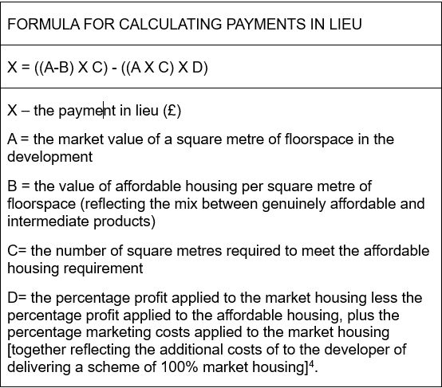
Small Sites (Minor Developments)
Lewisham Local Plan - Policy - HO3 J

Payment in lieu Total | X | £290,890

 |  |  | Value (Autofill)
 | A (Select from Dropdown) | Zone 1 | £7,804

 | B (Autofill - Do Not Amend) | £3,901.95

 | C | 105

 | D (Fixed - Do Not Amend) | 14.50%

 | Net Sales Area | 300
